Weekly Project Schedule
Weekly Delivery Schedule
 |  | Note, "Date" indicates the due date for related deliverables!
Project Phase | Week | Date | Deliverables | Owner Role
 | 1 | 2022-01-25
 |  | 2022-02-01 | LUNAR NEW YEAR, NO CLASSES
Project Planning | 2 | 2022-02-08 | Project Proposals - Business Cases (2) | PM
 | 3 | 2022-02-15 | Project Initiation Document (PID), initial draft | PM
 | 3 |  | Quiz - Chapter 2: Software Processes | All
 | 4 | 2022-02-22 | Project Plan (in Excel) | PM
 | 4 |  | RACI Table | PM
 | 4 |  | Completed PID | PM
 | 4 |  | Start developing Home Page | Lead Dev
 | 4 |  | Quiz - Chapter 3: Agile Software Development | All
Requirements Analysis | 5 | 2022-03-01 | BRM Diagram, User Roles | Product Owner
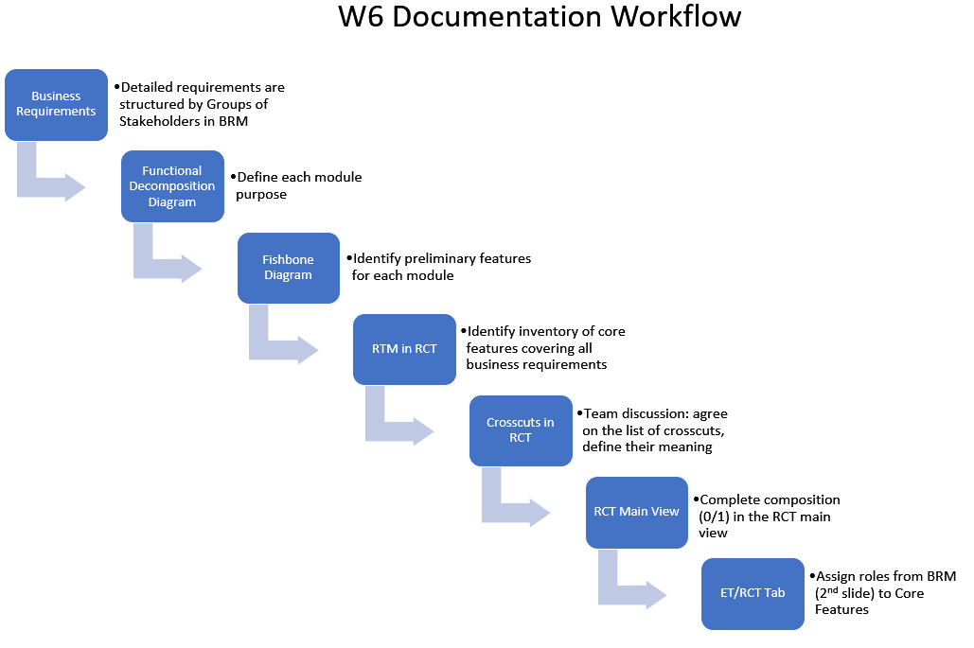
 | 5 |  | Context Diagram, System Interface Table | Lead BA
 | 5 |  | Team discussion of Requirements Types, include the tasks in Project Plan | PM
 | 5 |  | Compile a list of Customer needs | Product Owner
 | 5 |  | Quiz - Chapter 4: Requirements Engineering | All
 | 5 |  | Updated Project Plan | PM
 | 6 | 2022-03-08 | Business Requirements | Product Owner
 | 6 |  | Functional Decomposition (assign SME), Fishbone Diagram | Lead BA
 | 6 |  | RCT (includes supplementary requirements) | Lead BA
 | 6 |  | Home Page menu stucture | Lead Dev
 | 6 |  | Quiz - Aspect-Oriented Requirements Analysis | All
 | 6 |  | Updated Project Plan | PM
 |  | 2022-03-15 | SPRING BREAK, NO CLASSES
 | 7 | 2022-03-22 | Select in the RCT a few features to implement this semester, including crosscuts | PM, Product Owner
 | 7 |  | UML analysis diagrams (use case, activity diagrams) | Lead BA
 | 7 |  | Data-flow Diagram (logical) | Lead BA
 | 7 |  | Functional Requirements (user stories) | Lead BA
 | 7 |  | Complete Home Page Demo | Lead Dev
 | 7 |  | Project Plan: Elaborate the Coding phase with the selected features | PM
 | 7 |  | Quiz - Chapter 5: System Modeling | All
 | 7 |  | Requirements Workshop (WS1): preparation | All
 | 8 | 2022-03-29 | Mid-term Exam
High-level Design | 9 | 2022-04-05 | ER Diagrams (conceptual -> logical) | DBA
 | 9 |  | Database Table Specs + Test Data specs | DBA
 | 9 |  | Data-flow Diagram (physical) | Lead BA
 | 10 | 2022-04-12 | Architecture Diagrams (2) | Lead Dev/DBA
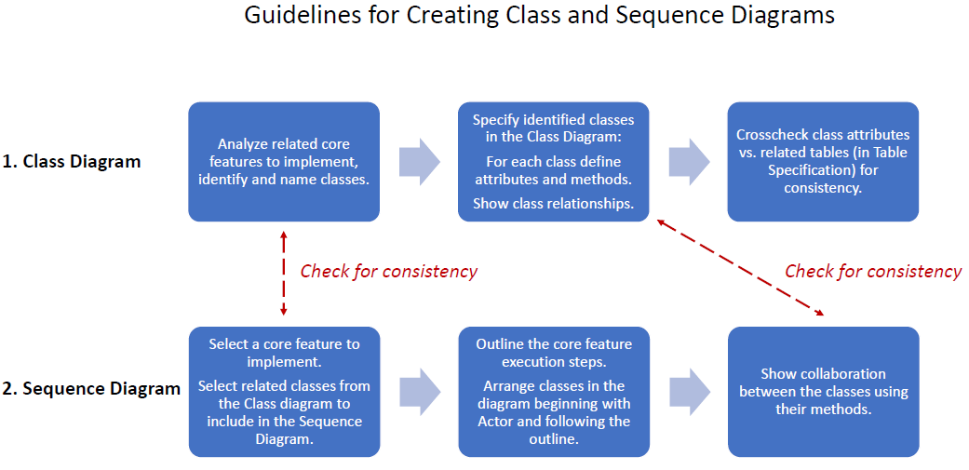
 | 10 |  | Quiz - Chapter 6: Architectural Design | All
 | 11 |  | Updated Project Plan | PM
 | 10 |  | Watch Git tutorial on YouTube; Establish GitHub projects (Demo) | All
Implementation | 11 | 2022-04-19 | Class Diagram (UML) | Lead Dev
 | 11 |  | Sequence Diagram (UML) | Lead Dev
 |  |  | Populate test data in the database tables | DBA
 | 11 |  | Quiz - Chapter 7: Design and Implementation | All
 | 11 |  | Updated Project Plan | PM
 | 8,9,10,11 |  | Source code in GitHub repository, executable code ready for testing | Lead Dev
Testing | 12 | 2022-04-26 | Test plan document | Lead QA
 | 12 |  | Test design, test cases (in Excel template) | Lead QA
 | 12 |  | Quiz - Chapter 8: Software Testing | All
 | 12 |  | Updated Project Plan | PM
 | 12 |  | Testing workshop (WS2) preparation + application Demo (recorded) | All
Final Exam | 13 | 2022-05-03 | Final Exam preparation
Final Project Presentation | 14 | 2022-05-10 | Presentation preparation | All

